Doc
NAME: | Dewyani Anil Deshmukh
UID: | 2021300024
CLASS: | SE Comps-A
EXPERIMENT NO: | 2

AIM: | Finding the running time of mergesort and quicksort algorithms.

CODE: | Generating 100000 numbers: #include <stdio.h> #include <stdlib.h> int main() { int num,offset=0; int i,j; FILE *fptr; fptr=fopen("numbers.txt","w"); for(i=0; i<1000; i++) { for (j= 0; j<100; j++) { num = rand() % 100 + offset; fprintf(fptr," %d ",num); } offset+=100; } fclose(fptr); return 0; } Sorting algorithms: #include <stdio.h> #include <time.h> int partition(int arr[], int lb, int ub) { int temp, temp1; int pivot = arr[ub]; int i=lb-1; for(int k=lb;k<ub;k++) { if(arr[k]<pivot) { i++; temp = arr[i]; arr[i] = arr[k]; arr[k] = temp; } temp1 = arr[i+1]; arr[i+1] = arr[ub]; arr[ub] = temp1; } return (i+1); } void quicksort(int arr[], int lb, int ub) { if (lb < ub) { int loc = partition(arr, lb, ub); quicksort(arr, lb, loc - 1); quicksort(arr, loc + 1, ub); } } void enter_quick(int a[], int size) { quicksort(a,0,size-1); } void merge(int a[], int lb, int mid, int ub) { int i, j, k; int n1 = mid - lb + 1; int n2 = ub - mid; int l[n1], r[n2]; for (int i = 0; i < n1; i++) { l[i] = a[lb + i]; } for (int j = 0; j < n2; j++) { r[j] = a[mid + 1 + j]; } i = 0; j = 0; k = lb; while (i < n1 && j < n2) { if (l[i] <= r[j]) { a[k] = l[i]; i++; } else { a[k] = r[j]; j++; } k++; } while (i < n1) { a[k] = l[i]; i++; k++; } while (j < n2) { a[k] = r[j]; j++; k++; } }

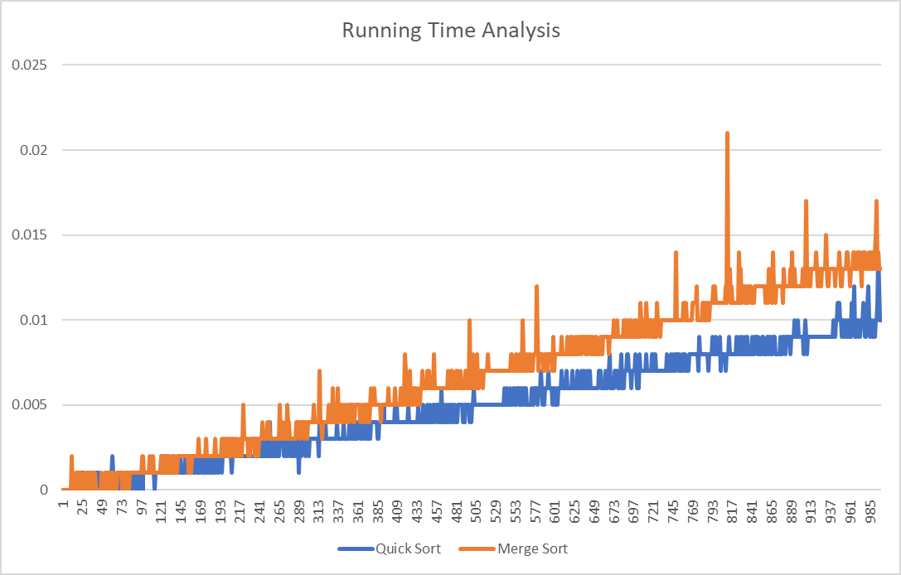
GRAPHICAL
REPRESENTATION:

OBSERVATIONS: | 1. From the graph it can be observed that quick sort is faster than mergesort.
 | 2. The time complexity for both the algorithms is O(nlgn).
 | 3. The space complexity for both the algorithms is same i.e O(n).

CONCLUSION: | I have successfully implemented both the sorting algorithms and have analysed their time and space complexity.

